1. Title Page
Project Name: Instacart Grocery Basket Analysis
Date:
Analyst Name: Luca Löschmann

Contents:
Population Flow
Consistency checks
Wrangling steps
Column derivations
Visualizations
Recommendations

2. Population Flow
Title page

Population flow

Exclusion flag
Condition: max_order <
Obervations to be removed:
Final total count of order_products_all:

Orders_products_combined
Orders_products_merged
Orders_products_all

Total: 32,404,859
Total: 32,424,489
Total: 32,404,859

1.) The grey boxes in the first row of the population flow represent the original data sets as they were when you downloaded them. In the Total fields you need to add the count of the rows when you imported the data set into Jupyter.
2.) The second row of boxes (coloured) represents the data sets after you manipulated them, e.g., removed missing values and duplicates. In the Total fields you need to add the count of the rows after conducting these operations. This offers a visual oveview of how the data flows throughout the data consistency checks.
3.) The third row, where also the arrows are coloured, represents the merges you performed between the datasets. In the Total fields you need to add the count of the rows in the merged datasets, so that you end up with the final dataset (in the red box). Keep in mind the final dataset should be without exclusions (based on the exclusion flag).

3. Consistency checks
 |  |  |  | Title page
Consistency checks

Dataset | Missing values | Missing values treatment | Duplicates
orders | 206,209 missing values from days_since_prior_order column. | Missing values are indicative of customers who have only placed on order. This is useful information and so no action is taken. | None
products | 16 missing values in 'product name' | Missing values were not removed since they can be linked to unique_ids/ missing values were removed? | 5 duplicates (rows) dropped
orders_products_prior | None |  | None
customers | 11259 missing value in 'First Name' | Missing values were fixed by data consistency check (changing the data type of the column.) | None

4. Wrangling steps
 |  |  |  | Title page
Wrangling steps

Columns dropped | Columns renamed | Columns' type changed | Comment/Reason
eval_set |  |  | The column didnt include any additional insight.
Unnamed: 0 |  |  | The column didnt include any additional insight.
Unnamed: 0.1 |  |  | The column didnt include any additional insight.
_merge |  |  | The column didnt include any additional insight.
First Name |  |  | The column didnt include any additional insight.
Surnam |  |  | The column didnt include any additional insight.
 | 'order_dow' to 'orders_day_of_week' |  | The abbreviation dow for day of the week isn't for everyone directly recognizable, so the wrote out version was chosen.
 | 'order_hour_of_day' to 'hour_of_day_ordered' |  | The order of the words of the seconf column is more intuative.
 | 'STATE' to 'state' |  | All the others columns have their heading in lower case letters.
 | 'n_dependants' to 'dependants' |  | This isn‘t a common column name and dropping the n_ part seems like the more logical way of naming the column.
 | 'fam_status' to 'family_status' |  | The abbreviation is a little bit confusing and it makes more sense to just write out the full name.
 |  | order_id | The values aren't numerical values that should be add up, but are merely key numbers that relate to a specific order. As such the type has been change from integer to string.
 |  | user_id | This is a key as well that relates to a specific user. The type has been changed from an integer to a string.
 |  | product_id | This is a key as well that relates to a specific product. The type has been changed from an integer to a string.
 |  | department_id | This is a key as well that relates to a specific department. The type has been changed from an integer to a string.

5. Column derivations
 |  |  |  | Title page

Column derivations and aggregations

In this tab you should add tables below that the frequences of flags/label variables that you produced after deriving them. NB: don't do this for continuous variables, only for flags.
Dataset | New column | Column/s it was derived from | Conditions
df_ords_prods_merge | price_range_loc | prices | prices > 15 = High-range product prices < = 15 & > 5 = Mid-range product prices <=5 = Low-range product
df_ords_prods_merge | busiest_day | orders_day_of_week | Saturday (value=0) = busiest day Wednesday (value=4) = least busy any other day/value = regularly busy
df_ords_prods_merge | busiest_days | orders_day_of_week | Saturday or Sunday (value=0 or 1) = busiest days Wednesday or Tuesday (value=4 or 3) = slowest days any other day/value = regularly busy
df_ords_prods_merge | busiest_period_of_day | hour_of_day_ordered | top 8 busiest hours = most orders bottom 8 busiest hours = fewest orders 8 hours left = average orders
df_ords_prods_merge | max_order | order_number | Applying the transform() function on the “order_number” column to generate the maximum orders for each user.
df_ords_prods_merge | loyalty_flag | max_order | max_order > 40 = Loyal cutsomer max_order <= 40 & > 10 = Regular customer max_order <= 10 = New customer
df_ords_prods_merge | average_price | prices | Applying the transform() function on the “prices” column to generate the mean of each price.
df_ords_prods_merge | spending_flag | average_price | average_price >= 10 = High spender average_price <10 = Low spender
df_ords_prods_merge | regularity | day_since_prior_order | Applying the transform() function on the “days_since_prior_order” column to generate the median.
df_ords_prods_merge | frequency flag | regularity | regularity >20 = Non-frequent customer regularity > 10 & <= 20 = Regular customer regularity <= 10 = Frequent customer
orders_products_all | region | state | I divided the states into the U.S. Census Bureau Regions
orders_products_all | exclusion flag | max order | Max Order >= 5 = Include. Max Order < 5 = Exclude
orders_all_included | age group | age | Age >= 65 = Elder Age <65 & >= 25 = Adult Age < 25 & >= 18 = Young Adult Age < 18 = Child
orders_all_included | income range | income | Income >= 142,818 = Above average Income Income <142,818 and >= 56,534 = Average Income Income < 56,534 = Below average Income
orders_all_included | houshold | dependants | Dependants > 0 = Children Dependants = 0 = No Children
orders_all_included | Family Profile | family status, income, houshold | This is an overview of some key informations about a person.

6. Visualizations
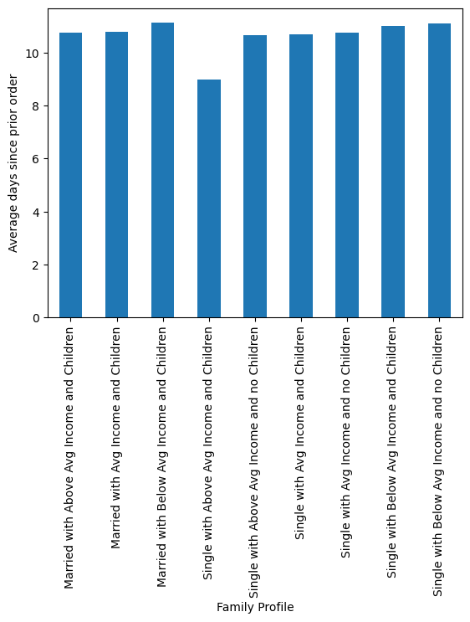
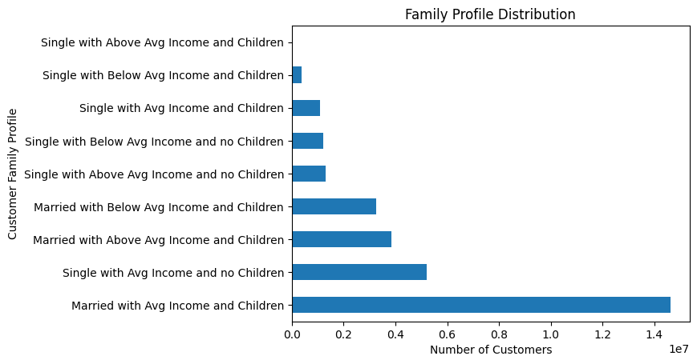
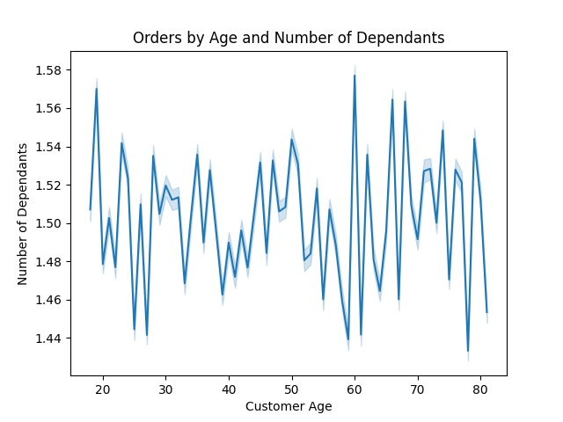
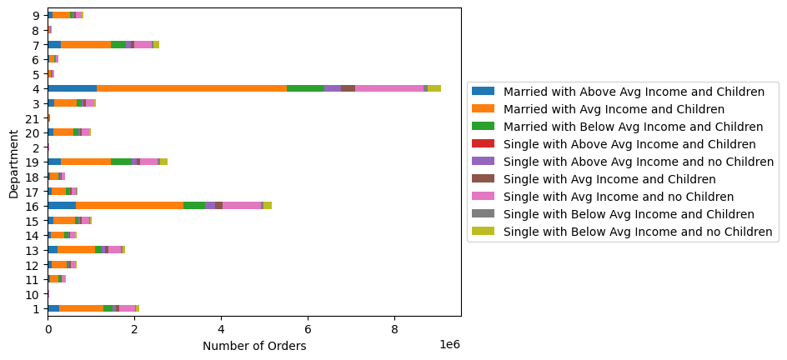
 |  | Title page

Visualisations

In this tab you should include all the visualtions from Exercises 4.9 and 4.10, alongside the questions from the project brief that they answer. Include any commentary on the relationship between different variables.

On this page are merely the visualizations.The Answers to the questions and the corresponding recommendations are on the next page.

Question 1 :

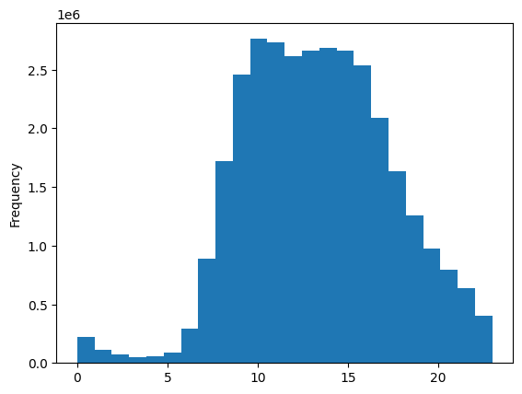

Number of orders
Saturday = 0
Sunday = 1
Monday = 2
Tuesday = 3
Wednesday = 4
Thursday = 5
Friday = 6

Day of the week

Question 2:
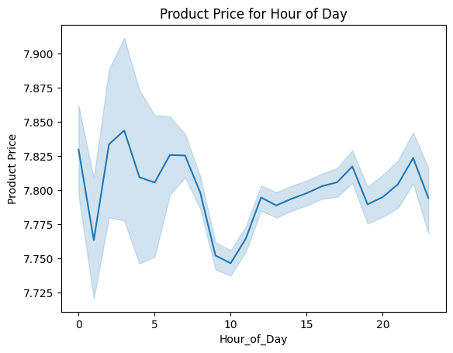
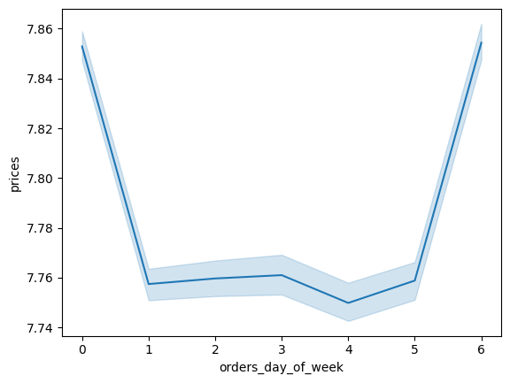

Question 3:

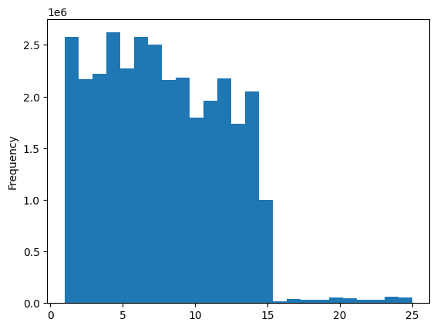

Question 4:

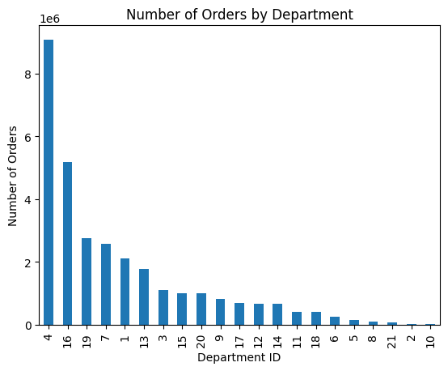

 | Question 5:

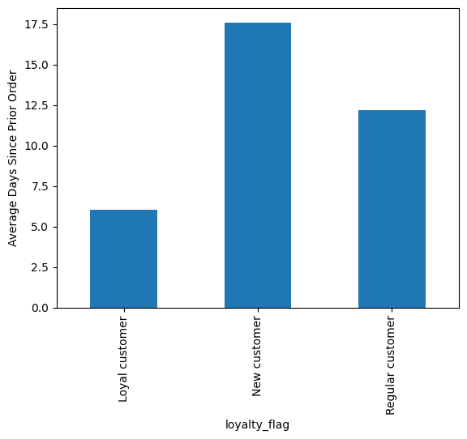
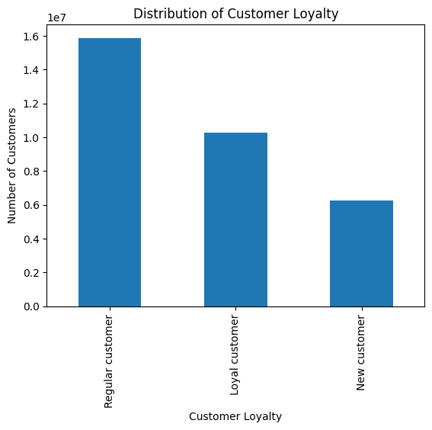
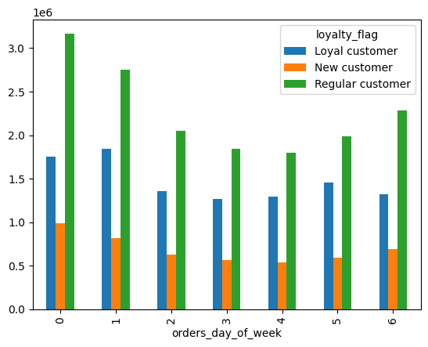

 | Question 6

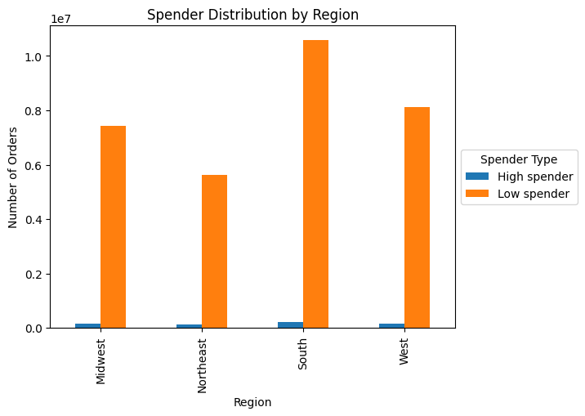
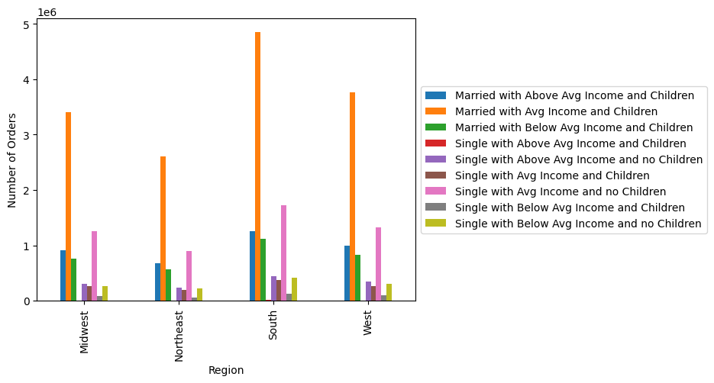

 | Question 7 & following:

7. Recommendations
 |  |  | Title page

Recommendations

In this tab you should include any recommendations you would made to Instcart in terms of their marketing strategy based on the questions posed in the brief. Every key question has been covered in the Tasks of the Exercises - here you need to add an item - a visualisation or table/crosstable that is showing the answer in the data, acompanied by a comment from you. Please, list the questions below and add the answer underneath.

Question | Answer | Recommendations
1. What are the busiest days of the week and hours of the day | The busiest days per week, with the most orders, are Saturdays and Sundays. The busiest hours per day, with the most orders, are between the hours of 9 a.m. and 4 p.m. The orders peak between 10 a.m. and 12 p.m. | I would advise to increase the marketing on a Friday as this is the day before most customers buy their groceries. This gives them time to think about what they need, so they don´t miss orders .
2. Are there particular times of the day when people spend the most money? | The highest price products are purchased on Friday and Saturday. There is no distinct pattern related to price and time of day. The price of item purchased varies throughout the day. | I recommend advertising higher priced items during evening and nighttime hours when people are more likely to make impulse purchases. Also, I reccommend advertising dinner supplies in the late afternoon and early evening when customers may be making small orders for that day. This may increase the number of items they order or remind those who aren't yet thinking about that evening of what they may need.
3. Instacart has a lot of products with different price tags. Marketing and sales want to use simpler price range groupings to help direct their efforts. | The price range of the products can be divided into three distinct groups: "Low range product" - prices below 5 Dollars "Mid range product" - prices between 5 and 15 Dollars "High range product" - prices above 15 Dollars Most products are found in the mid-range, followed by low-range products. Only a very small percentage belong to the high-range products. | There should be a stronger effort to specialize in products that fall within the particularly sought-after price ranges. Products that fall into the high range should be neglected or entirely removed from the product lineup.
4. Are there certain types of products that are more popular than others? | The top 5 departments with the most orders are: produce, dairy eggs, snacks, beverages and frozen (in that order). It should be noted that the produce department is significantly ahead of the other departments (almost twice as many orders as the second). Additionally, the dairy and eggs department also has a considerable lead over the third. | There should be an increased focus on the items that are selling exceptionally well. This entails both replenishing the inventory of these items and directing advertising efforts specifically towards them. This approach should particularly apply to the two strongest departments that stand out significantly from the others, namely produce and dairy eggs.
What is the distribution among users in regards to their brand loyalty?
5. Are there differences in ordering habits based on a customer's loyalty status? | There are significant differences in ordering habits based on customer loyalty. The time interval between orders varies widely among groups. For a loyal customer, there is an average of 6 days between their orders, whereas it is around 17.5 days for a new customer (12.5 for a regular customer). The preferred day for ordering also changes. New and loyal customers prefer to order on a Sunday, while a regular customer most frequently orders on a Saturday. The time of day also shows notable distinctions. Loyal and regular customers tend to order primarily in the morning, whereas new customers particularly order during the midday hours (1 pm to 3 pm). The departments 'produce,' 'dairy eggs,' and 'snacks' were the top three favorites in all groups. | These differences could be an indication of when it is best to advertise to various target groups. For new customers who prefer to place orders on a Sunday, it would be advisable to run advertisements on the day before (Saturday), while for regular customers, advertising a day earlier (on Fridays) might be more effective. For particularly loyal customers, one might consider saving on advertising and instead focus on loyalty rewards to ensure their long-term retention.
6. Are there differences in ordering habits based on a customer's region? | Individuals from the South placed the highest number of orders, followed by those from the West, Midwest, and finally the Northeast. The groups do not differ in terms of the preferred day or a preferred time of day. There is no recognizable difference in the proportion of high and low spender and there is also no difference inn family type and what product those family types preferrably buy. | The difference in region doesn't seem to be a factor in the customer behavior and also not in how the customer family type is comprised of.
7. Is there a connection between age and family status in terms of ordering habits? | Most of the customers are married. It can also be said that there is connection between age and number of dependants. You would assume that the number would increase with age (at least to a certain point), but this is really not the case. The ordering habits are discussed in the following question. | Due to the lack of connection between frequency of orders, age, and family status, I recommend not targeting advertising based on these factors combined.
8. What different classifications does the demographic information suggest? What differences can you find in ordering habits of different customer profiles? | As previously mentioned, the married customer make up the majority of the customers. This is not only true in totality, but also is true fore each individual region. The strongest group of singles are those with an average income and no children. The days since prior order is pretty evenly distribute within those groups with one outlier. Singles with no children and an above average income do take less time between orders. The distribution within the different departments is also proportionally to the total size of each group. | I would suggest to increase the marketing to those demographics that are vastly underrepresented within the customers, espacially the singles. When it comes to the customers that are already using the app I would suggest to market more group specific. This means especially promoting supply that somebody with a child might need .

